Operational stability1
 | site | upper | lower
2009-01 | 0.43146944245 | 0 | 0
2009-02 | 0.47547169197 | 0 | 0
2009-03 | 0.43688907948 | 0 | 0
2009-04 | 0.47662426024 | 0 | 0
2009-05 | 0.45542445563 | 0 | 0
2009-06 | 0.52409238691 | 0 | 0
2009-07 | 0.58896756073 | 0 | 0
2009-08 | 0.57673056295 | 0 | 0
2009-09 | 0.59495468335 | 0 | 0
2009-10 | 0.53175640382 | 0 | 0
2009-11 | 0.57435887359 | 0 | 0
2009-12 | 0.5736768956 | 0 | 0
2010-01 | 0.54953692967 | 0 | 0
2010-02 | 0.59965152515 | 0 | 0
2010-03 | 0.60877008455 | 0 | 0
2010-04 | 0.59900234313 | 0 | 0
2010-05 | 0.60301974319 | 0 | 0
2010-06 | 0.57218126691 | 0 | 0
2010-07 | 0.55852299547 | 0.61240522322 | 0.50840705462
2010-08 | 0.5183101138 | 0.60472434196 | 0.50539155293
2010-09 | 0.52858498005 | 0.60568492105 | 0.51143352249
2010-10 | 0.57570190415 | 0.60461553288 | 0.51435322129
2010-11 | 0.56666619161 | 0.60709472213 | 0.51977445153
2010-12 | 0.58642405318 | 0.60605974412 | 0.52424694329
2011-01 | 0.57371064577 | 0.60022542892 | 0.52770471746
2011-02 | 0.56047595603 | 0.5989966458 | 0.53077825845
2011-03 | 0.57389201132 | 0.61776150378 | 0.53315675154
2011-04 | 0.63534995767 | 0.62739863675 | 0.53413461595
2011-05 | 0.60774119157 | 0.62724827553 | 0.53333818071
2011-06 | 0.58050405606 | 0.63638327323 | 0.53961780094
2011-07 | 0.63698316334 | 0.63935999059 | 0.54737043688
2011-08 | 0.62265604771 | 0.64288978315 | 0.54952421395
2011-09 | 0.61312504201 | 0.64773106483 | 0.55331031104
2011-10 | 0.62579255461 | 0.66054535463 | 0.55567155589
2011-11 | 0.64732575625 | 0.67039021288 | 0.55937361033
2011-12 | 0.64387508695 | 0.66887371889 | 0.56674891039
2012-01 | 0.63111242299 | 0.66743784501 | 0.57478752505
2012-02 | 0.63930734805 | 0.6758068238 | 0.57965885723
2012-03 | 0.66888625676 | 0.67996309711 | 0.58357225561
2012-04 | 0.65397318312 | 0.68009975737 | 0.59284633455
2012-05 | 0.66323233258 | 0.67425612766 | 0.59356680812
2012-06 | 0.62297764217 | 0.66845523014 | 0.59259981358
2012-07 | 0.61365768027 | 0.6634796795 | 0.58125707519
2012-08 | 0.57663244175 | 0.6604600268 | 0.57282152773
2012-09 | 0.5877894804 | 0.65954227882 | 0.55532777176
2012-10 | 0.55656603734 | 0.65745295216 | 0.55170251643
2012-11 | 0.5867442986 | 0.65877843988 | 0.52717781639
2012-12 | 0.53166952552 | 0.65737427808 | 0.52209758459
2013-01 | 0.56782680202 | 0.66028971956 | 0.53278968578
2013-02 | 0.63549601712 | 0.66551591922 | 0.54240560641
...

Internal cost estimation model
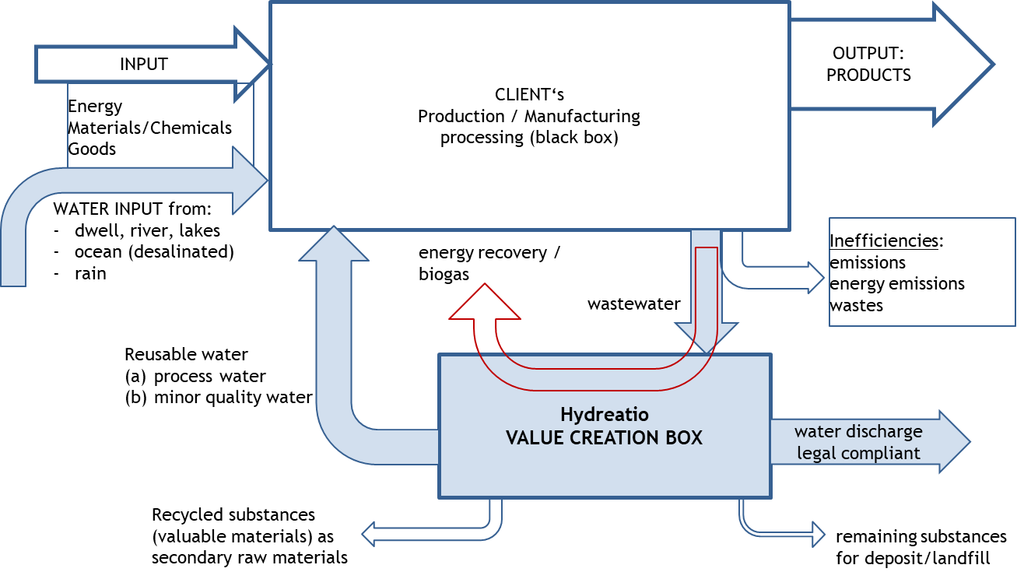
1
2
3

 |  | Input |  | Production Cost Center Client Black Box |  |  |  |  |  |  |  |  |  | Output
 |  | Raw material purchase | Material coming from others plants |  |  | Process step 0 | Process Step 1 | Process Step 2 |  |  |  |  |  | Energy | Steam | Maintenance | Plant Overhead | TOTAL
 |  |  |  |  |  |  |  | 433,771 | 40,402 | 1,469 |  |  | 2,788,135 |  |  | 15 | 441 | 3,264,233
D1004 Purchased raw material consumption |  | 171,229,565 |  |  |  |  |  |  |  |  |  |  |  |  |  |  |  | 171,229,565
D1005 Produced raw material consumption |  | 132,059,428 |  |  |  |  |  |  |  |  |  |  |  |  |  |  |  | 132,059,428
D1006 Agricultural support |  |  |  |  |  |  |  |  |  |  |  |  |  |  |  |  |  | 0
D1007 Manufacturing costs |  |  |  | 6,399,003 | 5,556,493 |  | 4,650,834 | 634,952 | 479,084 | 3,952,271 |  |  |  | 4,366,484 |  |  | 582,100 | 26,621,221
D1008 Energy costs |  |  |  | 8,373,124 |  |  |  | 318,600 | 7,891 | 1,456,737 |  |  |  |  |  |  |  | 10,156,352 | 4354703.65 | 5801648.59
 | Raw Water
 | Steam
 | Electricity

D1012 Internal logistic costs |  |  |  |  |  |  |  | 618,268 |  |  |  |  |  |  |  |  |  | 618,268
D1015 Third part industrial activities |  |  |  |  |  |  |  |  |  |  |  |  |  |  |  |  |  | 0
D1040 Trading goods consumption |  |  |  |  |  |  |  |  |  |  |  |  |  |  |  |  |  | 0

Valuable waste solids etc.

Total Variable Costs |  | 303,288,994 | 0 | 14,772,127 | 5,556,493 | 0 | 4,650,834 | 2,005,591 | 527,377 | 5,410,477 | 0 | 0 | 2,788,135 | 4,366,484 | 0 | 15 | 582,541 | 343,949,068

D1009 Maintenance costs |  |  |  | 350,327 | 86,891 |  | 314,044 | 52,691 | 9,493 | 69,563 |  |  | 78,171 | 586,474 | 219,818 | 2,339,555 | 671,393 | 4,778,419
D1011 Quality control costs |  |  |  |  |  |  |  |  |  |  |  |  |  |  |  |  | 1,917,625 | 1,917,625
D1013 Plant support activities costs |  |  |  |  |  |  |  |  |  |  |  |  |  |  |  |  | 2,663,671 | 2,663,671
D1014 Factory expenses out of stock valuation |  |  |  |  |  |  |  |  |  |  |  |  |  |  |  |  |  | 0
Total Fixed Costs |  | 0 | 0 | 350,327 | 86,891 | 0 | 314,044 | 52,691 | 9,493 | 69,563 | 0 | 0 | 78,171 | 586,474 | 219,818 | 2,339,555 | 5,252,689 | 9,359,714

TOTAL PRODUCTION COSTS |  | 303,288,994 | 0 | 15,122,454 | 5,643,384 | 0 | 4,964,878 | 2,058,282 | 536,870 | 5,480,040 | 0 | 0 | 2,866,307 | 4,952,957 | 219,818 | 2,339,570 | 5,835,230 | 353,308,783

Dépreciation?
D1003 Finished, semi-finished & WIP stock variation |  |  |  | 18.91 | 50.57 |  | 1094.51 | 767.71 |  | 41.21 |  |  | 13.59 | 9.71 | 14.57 | 361.16 | 22880.47 | 25,252

 |  |  |  |  |  | Hydreatio Value Creation Box |  |  |  |  |  |  |  |  |  |  |  | 50,045,041.33
 |  |  |  |  |  | Keys Auxiliary Cost Centres |  |  |  |  |  |  |  |  |  |  |  | 303,288,993.60
 |  |  | D1004 Purchased raw material consumption |  |  | Energy | Steam | Maintenance | Plant Overhead
 |  |  | D1005 Produced raw material consumption |  |  |  |  | 15 | 441
 |  |  | D1006 Agricultural support
 |  |  | D1007 Manufacturing costs
 |  |  | D1008 Energy costs
 |  |  |  |  |  | 4,366,484 |  |  | 582,100

 |  |  |  |  | Raw Water
 |  |  |  |  | Steam
 |  |  |  |  | Electricity

 |  |  | D1012 Internal logistic costs
 |  |  | D1015 Third part industrial activities
 |  |  | D1040 Trading goods consumption

 |  |  | Total Variable Costs |  |  | 4,366,484 | 0 | 15 | 582,541

 |  |  | D1009 Maintenance costs |  |  | 586,474 | 219,818 | 2,339,555 | 671,393
 |  |  | D1011 Quality control costs |  |  |  |  |  | 1,917,625
 |  |  | D1013 Plant support activities costs |  |  |  |  |  | 2,663,671
 |  |  | D1014 Factory expenses out of stock valuation
 |  |  | Total Fixed Costs |  |  | 586,474 | 219,818 | 2,339,555 | 5,252,689

 |  |  | TOTAL PRODUCTION COSTS |  |  | 4,952,957 | 219,818 | 2,339,570 | 5,835,230

 |  |  | Dépreciation?
 |  |  | D1003 Finished, semi-finished & WIP stock variation

Management EBITDA bridge
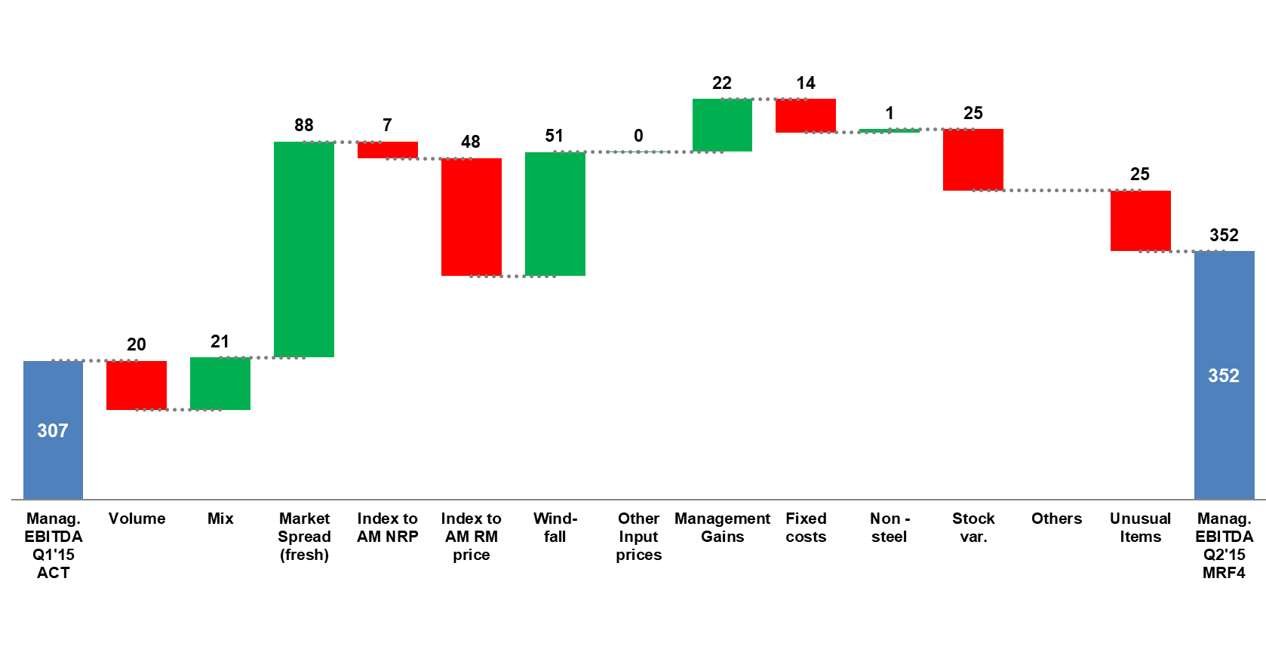

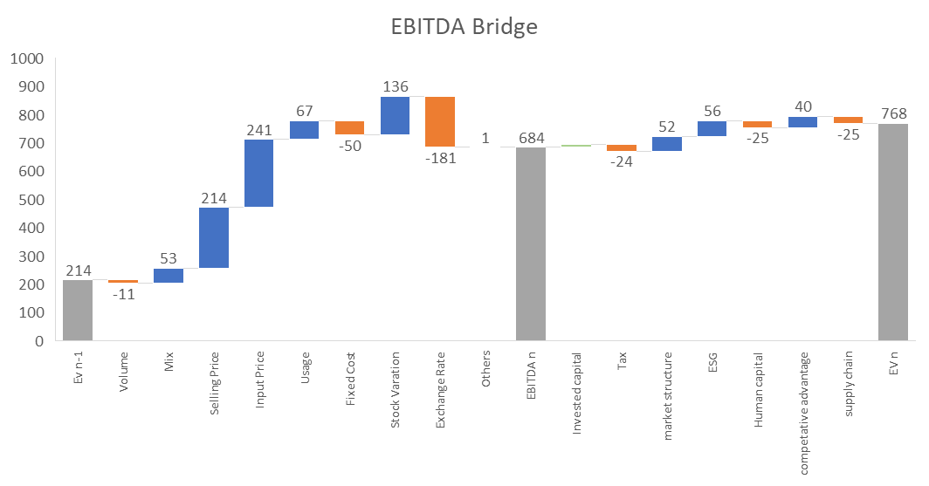

assessment
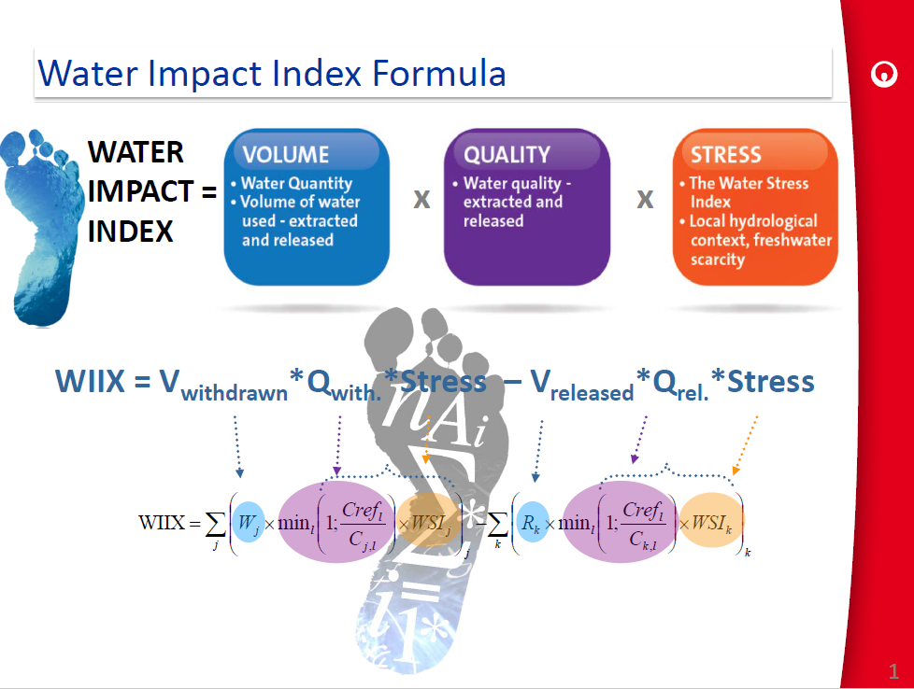
 |  | Initiator |  |  |  |  |  | Impact |  |  |  |  |  |  |  |  |  |  | Accelerator |  |  |  |  |  | Resistance |  |  |  |  |  | Amplifiers |  |  |  |  |  |  |  |  |  |  |  |  | Initiator |  | Impact |  |  |  | Accelerator |  | Resistance |  | Amplifers |  |  |  | Focus Index
 | k1 |  |  |  | Source |  | k2 |  |  |  | Location |  |  |  |  | Proximity |  | k3 |  |  |  | Time |  | k4 |  |  |  | Company Culture |  | k5 |  |  |  | Media |  |  |  |  | World Interest | correction factor |  |  | Acceleration constant | Weight | Source | Weight | Location | Weight | Proximity | Weight | Time | Weight | Company Culture | Weight | Media | Weight | World Interest |  | max | min
 |  |  |  | 115 |  |  |  |  |  | 115 |  |  |  |  | 115 |  |  |  |  |  | 135 |  |  |  |  |  | 185 |  |  |  |  |  | 240 |  |  |  |  | 165 |  |  |  |  |  |  |  |  |  |  |  |  |  |  |  |  |  |  |  |  | 5.2021364062E+16 | 375000
Risk Vulnerability | 1 | 10 | ∫ |  | 115 | X | 1 | 10 | ∫ |  | 115 | + | 10 | ∫ |  | 115 | X | 1 | 5 | ∫ |  | 135 | X | 1 | 15 | ∫ |  | 185 | X | 1 | 30 | ∫ |  | 240 | + | 20 | ∫ |  | 1 | 1 | 41.552% | Risk 1 | 1 | 10 | 95 | 10 | 102 | 10 | 40 | 5 | 124 | 15 | 175 | 30 | 200 | 20 | 1 | 37%
 |  |  |  | 1 |  |  |  |  |  | 1 |  |  |  |  | 1 |  |  |  |  |  | 1 |  |  |  |  |  | 1 |  |  |  |  |  | 1 |  |  |  |  | 1 |  |  |  | Risk 2 | 2 | 10 | 84 | 10 | 50 | 10 | 30 | 5 | 17 | 15 | 175 | 30 | 171 | 20 | 0.5 | 16%

 |  |  |  |  | 100% |  |  |  |  |  | 100% |  |  |  |  | 100% |  |  |  |  |  | 100% |  |  |  |  |  | 100% |  |  |  |  |  | 100% |  |  |  |  | 1% |  | 4.1022561375E+20

 | Acceleration Constant |  |  |  |  |  |  |  |  |  |  |  |  |  |  |  |  |  |  |  |  |  |  |  |  |  |  |  |  |  |  |  |  |  |  |  |  |  |  |  | 6.7687226269E+22
 | k1 | 1
 | k2 | 1 |  |  | stability index |  |  |  |  |  | water credit |  |  | internal cost estimate |  |  |  |  |  | operational stability |  |  |  |  |  | ebitda bridge |  |  |  |  |  |  |  | stress index |  |  |  |  | world interest
 | k3 | 1
 | k4 | 1 |  |  |  |  |  |  |  |  |  |  |  |  |  |  |  |  |  |  |  |  |  |  |  |  |  |  |  |  |  |  |  |  |  |  |  |  | ESG level
 | k5 | 1

value plan
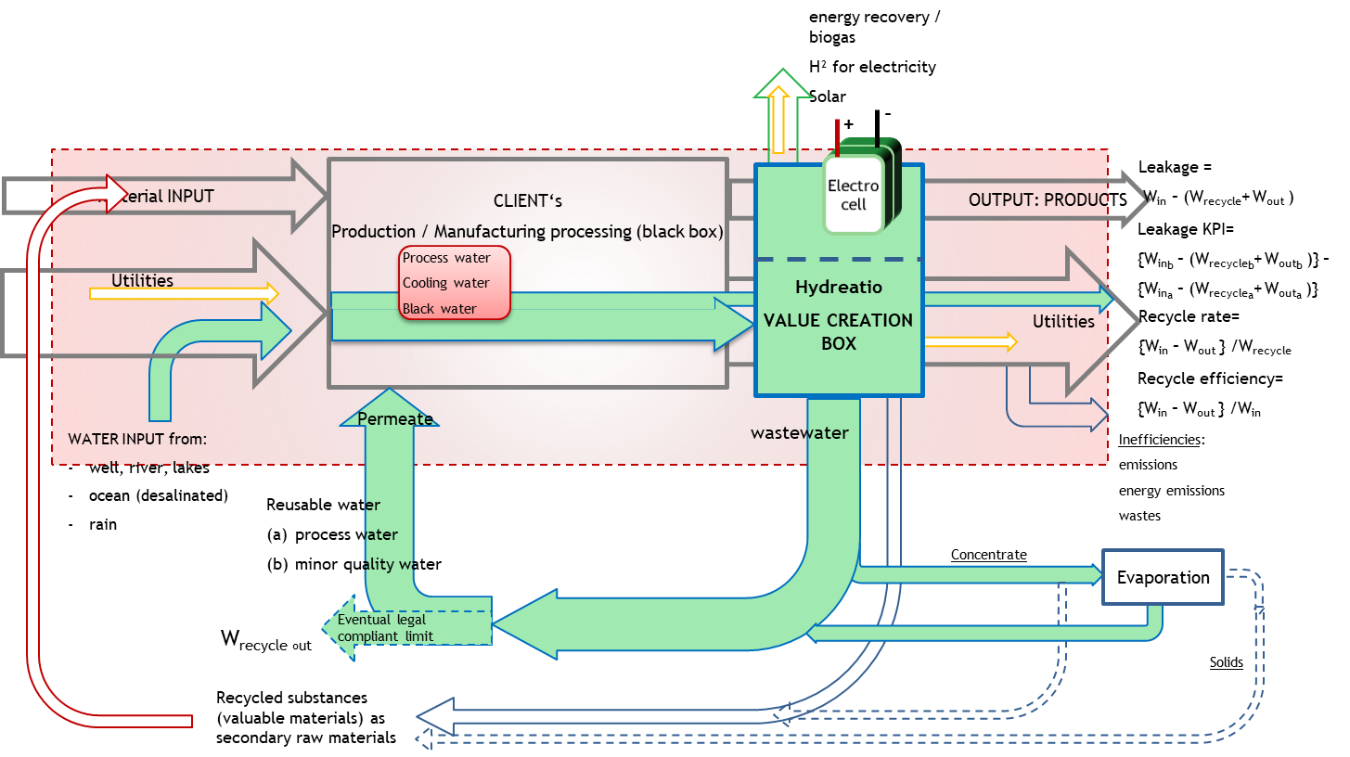

WICA

WICB

WCOA
WINA

WRA

WCRA

}
 | Fresh water input |  | Recycle input |  | Recycle |  | Excess recouperation |  | Leakage |  | Energy generation
 | Volume | Quality | Volume | Quality | Volume | Quality | Volume | Quality | Volume | Quality | Volume | Quality

WICA |  |  |  |  |  |  |  |  |  |  |  |  | Input to client process input

WICB

WINA

W recycle

WCOA

WCRA
}
Process Leakage

Utility leakage |  |  |  |  |  |  |  |  |  |  |  |  | output streams from clients process input sheet

W Recycle leakage

Energy production

Client process input
Facility Block Flow Diagram - Case Study Bremen

3
4
Water
purification

5
31
6
30
Desalination
29
1
2
15
28
Raw water
16
17
18
19
21
22
23
24
25
26
27
Galva
Air plant
H₂ gas
8
9
10
11
12
13
14
from River
Converter
Continuous
Casting
HSM
CRM
Sinter plant
Blast furnace
Process
43
44
 |  |  |  |  |  |  |  |  |  |  |  |  |  |  |  |  |  |  |  |  |  |  |  |  |  |  |  |  |  |  |  |  |  |  |  |  |  |  |  |  |  |  | Water from emulsion preparation
39
42
7
20
Filtration
Neutralization
 |  |  |  |  |  |  |  |  |  |  |  |  |  |  |  |  |  |  |  |  |  |  |  |  |  |  |  |  |  |  |  |  |  |  |  |  |  |  |  |  |  |  | to disposal

Detoxification
40
41
45
46
32
33
34
35
36
37
38
47
 |  |  |  |  |  |  |  |  |  |  |  |  |  |  |  |  |  |  |  |  |  |  |  |  |  |  |  |  |  |  |  |  |  |  |  |  |  |  |  |  |  |  | Effluent water

 |  |  |  |  |  |  |  |  |  |  |  |  |  |  |  |  |  |  |  |  |  |  |  |  |  |  |  |  |  |  |  |  |  |  |  |  |  |  |  |  |  |  | to River

1
10
12
13
17
19
22
38
45
47
2
3
4
5
6
7
8
9
11
14
15
16
18
20
21
23
24
25
26
27
28
29
30
31
7
32
33
34
35
36
37
20
39
40
41
42
43
44
46
 |  |  |  |  |  |  |  |  |  |  |  |  |  |  |  |  |  |  |  |  |  |  |  |  |  |  |  |  |  |  |  |  |  |  |  |  |  |  |  |  |  |  |  |  |  |  |  |  |  |  |  | in | out | leakage | out river | disposal
 |  | Total inlet water | Total raw water | Raw water to water purification | Total purified water | Pure water to desalination | Total desalinated water | Effluent water from desalination | Raw water to sinter plant process | Raw water to sinter plant cooling | Raw water to BF gas cooling | Raw water to slag granulation | Pure water to BF gas washing | Make-up desalinated water to cooling | Raw water to process | Cooling water to process | Pure water to converter gas washer | Desalinated water to steam generation | Make-up desalinated water to cooling | Pure water to slab and heat exchanger cooling | Water to HSM cycle | Desalinated water to HSM cooling | Pure water to HSM cooling | Desalinated water for cooling annealing plant | Desalinated water for emulsion preparation | Desalinated water to pickling process | Cooling water for regeneration | Pure water to cooling CRM | Desalinated water to process | Desalinated water to cooling | Cooling water to air plant | Cooling water to prerare H2 gas | Effluent water from desalination | Effluent water from sinter plant cooling | Effluent water from sinter plant process | Effluent water from slag granulation | Effluent water from cooling | Effluent water from process cooling | Effluent water from converter gas washing | Effluent from caster | Effluent water from gas washing | Effluent water from HSM to treatment | Effluent water from cooling CRM | Effluent water from cooling regeneration | Effluent water from pickling process | Water from emulsion prep. to disposal | Process water from Galva line | Effluent water from filtration | Cooling water from air plant | Effluent water to River |  |  |  | m³/h
 | Flow, m3/h | 6589.30 | 3825.00 | 2764.30 | 2644.30 | 120.00 | 83.10 | 118.50 | 9.00 | 188.00 | 2537.00 | 1010.00 | 201.00 | 3.40 | 81.00 | 298.00 | 395.00 | 38.00 | 6.00 | 233.00 | 180.00 | 10.60 | 27.00 | 4.60 | 1.30 | 7.30 | 152.00 | 879.00 | 11.80 | 0.10 | 440.00 | 19.30 |  | 185.00 | 9.00 | 1000.00 | 2530.00 | 379.00 | 350.00 |  | 36.00 | 147.00 | 879.00 | 152.00 | 10.50 | 1.50 | 11.00 | 287.00 | 440.00 | 4324.00 |  |  |  |  | 6247.00

 | Purification |  |  | 2764.30 | 2644.30 |  |  |  |  |  |  |  |  |  |  |  |  |  |  |  |  |  |  |  |  |  |  |  |  |  |  |  |  |  |  |  |  |  |  |  |  |  |  |  |  |  |  |  |  |  | 5408.60 | 2764.30 | 2764.30 | 0.00
 | Desalination |  |  |  |  | 120.00 |  |  |  |  |  |  |  |  |  |  |  |  |  |  |  |  |  |  |  |  |  |  |  |  |  |  | 118.50 |  |  |  |  |  |  |  |  |  |  |  |  |  |  |  |  |  | 238.50 | 120.00 | 201.60 | -81.60 | 0.00
 | Sinter |  |  |  |  |  |  |  | 9.00 | 188.00 |  |  |  |  |  |  |  |  |  |  |  |  |  |  |  |  |  |  |  |  |  |  |  | 185.00 | 9.00 |  |  |  |  |  |  |  |  |  |  |  |  |  |  |  | 391.00 | 197.00 | 194.00 | 3.00 | 194.00
 | Blast Furnace |  |  |  |  |  |  |  |  |  | 2537.00 | 1010.00 | 201.00 | 3.40 |  |  |  |  |  |  |  |  |  |  |  |  |  |  |  |  |  |  |  |  |  | 1000.00 | 2530.00 |  |  |  |  |  |  |  |  |  |  |  |  |  | 7281.40 | 3751.40 | 3566.00 | 185.40 | 3530.00
 | Process |  |  |  |  |  |  |  |  |  |  |  |  |  | 81.00 | 298.00 |  |  |  |  |  |  |  |  |  |  |  |  |  |  |  |  |  |  |  |  |  | 379.00 |  |  |  |  |  |  |  |  |  |  |  |  | 758.00 | 379.00 | 379.00 | 0.00 | 379.00
 | Converter |  |  |  |  |  |  |  |  |  |  |  |  |  |  |  | 395.00 | 38.00 |  |  |  |  |  |  |  |  |  |  |  |  |  |  |  |  |  |  |  |  | 350.00 |  |  |  |  |  |  |  |  |  |  |  | 783.00 | 433.00 | 350.00 | 83.00 | 350.00
 | Casting |  |  |  |  |  |  |  |  |  |  |  |  |  |  |  |  |  | 6.00 | 233.00 |  |  |  |  |  |  |  |  |  |  |  |  |  |  |  |  |  |  |  | 180.00 |  |  |  |  |  |  |  |  |  |  | 419.00 | 239.00 | 180.00 | 59.00 | 180.00
 | HSM |  |  |  |  |  |  |  |  |  |  |  |  |  |  |  |  |  |  |  | 180.00 | 10.60 | 27.00 |  |  |  |  |  |  |  |  |  |  |  |  |  |  |  |  |  |  | 147.00 |  |  |  |  |  |  |  |  | 364.60 | 217.60 | 147.00 | 70.60 | 147.00
 | CRM |  |  |  |  |  |  |  |  |  |  |  |  |  |  |  |  |  |  |  |  |  |  | 4.60 | 1.30 | 7.30 | 152.00 | 879.00 |  |  |  |  |  |  |  |  |  |  |  |  |  |  | 879.00 | 152.00 | 10.50 | 1.50 |  |  |  |  | 2087.20 | 1044.20 | 1043.00 | 1.20 | 1041.50 | 1.50
 | Galva |  |  |  |  |  |  |  |  |  |  |  |  |  |  |  |  |  |  |  |  |  |  |  |  |  |  |  | 11.80 | 0.10 |  |  |  |  |  |  |  |  |  |  |  |  |  |  |  |  | 11.00 |  |  |  | 22.90 | 11.90 | 11.00 | 0.90 | 11.00
 | Air plant |  |  |  |  |  |  |  |  |  |  |  |  |  |  |  |  |  |  |  |  |  |  |  |  |  |  |  |  |  | 440.00 |  |  |  |  |  |  |  |  |  |  |  |  |  |  |  |  |  | 440.00 |  | 880.00 | 440.00 | 440.00 | 0.00 | 440.00
 | Hydrogen |  |  |  |  |  |  |  |  |  |  |  |  |  |  |  |  |  |  |  |  |  |  |  |  |  |  |  |  |  |  | 19.30 |  |  |  |  |  |  |  |  |  |  |  |  |  |  |  |  |  |  | 19.30 | 19.30 | 0.00 | 19.30 | 0.00
 | Detox |  |  |  |  |  |  |  |  |  |  |  |  |  |  |  |  |  |  |  |  |  |  |  |  |  |  |  |  |  |  |  |  |  |  |  |  |  |  |  | 36.00 |  |  |  |  |  |  |  |  |  | 36.00 | 0.00 | 36.00 | -36.00 | 0.00
 | Filtration |  |  |  |  |  |  | 287.00 |  |  |  |  |  |  |  |  |  |  |  |  |  |  |  |  |  |  |  |  |  |  |  |  |  |  |  |  |  |  |  |  |  |  |  |  |  |  |  | 287.00 |  |  | 574.00 | 287.00 | 287.00 | 0.00 | 287.00
 |  |  |  |  |  |  |  |  |  |  |  |  |  |  |  |  |  |  |  |  |  |  |  |  |  |  |  |  |  |  |  |  |  |  |  |  |  |  |  |  |  |  |  |  |  |  |  |  |  |  | 0.00 | 0.00 |  | 0.00 | 0.00
 | Raw water use cooling once thru, m3/h | 3104.00
 | Pure water use cooling once thru, m3/h | 1471.00
 |  |  |  |  |  |  |  |  |  |  |  |  |  |  |  |  |  |  |  |  |  |  |  |  |  |  |  |  |  |  |  |  |  |  |  |  |  |  |  |  |  |  |  |  |  |  |  |  |  |  | 19263.50 | 9903.70 | 9598.90 | 304.80 | 6559.50 | 1.50
 |  |  |  |  |  |  |  |  |  |  |  |  |  |  |  |  |  |  |  |  |  |  |  |  |  |  |  |  |  |  |  |  |  |  |  |  |  |  |  |  |  |  |  |  |  |  |  |  |  |  |  |  | 304.80

 |  |  |  |  |  |  |  |  |  |  |  |  |  |  |  |  |  |  |  |  |  |  |  |  |  |  |  |  |  |  |  |  |  |  |  |  |  |  |  |  |  |  |  |  |  |  |  |  |  |  |  | 3%

 | Process |  | Flow in | Flow out | Leakage
 |  |  | Flow, m3/h
 | Purification |  | 2764.30 | 2764.30 | 0.00
 | Desalination |  | 120.00 | 201.60 | -81.60
 | Sinter |  | 197.00 | 194.00 | 3.00
 | Blast Furnace |  | 3751.40 | 3566.00 | 185.40
 | Process |  | 379.00 | 379.00 | 0.00
 | Converter |  | 433.00 | 350.00 | 83.00
 | Casting |  | 239.00 | 180.00 | 59.00
 | HSM |  | 217.60 | 147.00 | 70.60
 | CRM |  | 1044.20 | 1043.00 | 1.20
 | Galva |  | 11.90 | 11.00 | 0.90
 | Air plant |  | 440.00 | 440.00 | 0.00
 | Hydrogen |  | 19.30 | 0.00 | 19.30
 | Detox |  | 0.00 | 36.00 | -36.00
 | Filtration |  | 287.00 | 287.00 | 0.00

 | Total |  | 9903.70 | 9598.90 | 304.80

